Daily Summary
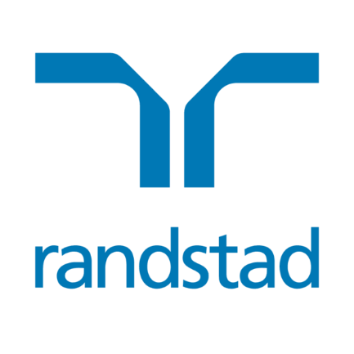
Randstad N.V. share buyback program | 1,500,000 shares

SUMMARY
Program announcement date | 13-Feb-24
Purchased amount in shares | 1,500,000
Percentage of program completed | 100.00%
Exchange traded | Euronext Amsterdam

Date | Total shares repurchased | Average purchase price | Total consideration
13-Feb-24 | 31,250 | 53.3255 | € 1,666,421.88
14-Feb-24 | 31,250 | 52.6501 | € 1,645,315.63
15-Feb-24 | 31,250 | 52.8760 | € 1,652,375.00
16-Feb-24 | 31,250 | 52.1026 | € 1,628,206.25
19-Feb-24 | 31,250 | 51.6089 | € 1,612,778.13
20-Feb-24 | 31,250 | 51.0703 | € 1,595,946.88
21-Feb-24 | 31,250 | 51.3028 | € 1,603,212.50
22-Feb-24 | 31,250 | 51.5532 | € 1,611,037.50
23-Feb-24 | 31,250 | 51.3832 | € 1,605,725.00
26-Feb-24 | 31,250 | 50.8441 | € 1,588,878.13
27-Feb-24 | 31,250 | 50.9665 | € 1,592,703.13
28-Feb-24 | 31,250 | 50.6512 | € 1,582,850.00
29-Feb-24 | 31,250 | 50.9737 | € 1,592,928.13
1-Mar-24 | 31,250 | 50.8280 | € 1,588,375.00
4-Mar-24 | 31,250 | 50.5272 | € 1,578,975.00
5-Mar-24 | 31,250 | 50.6399 | € 1,582,496.88
6-Mar-24 | 31,250 | 50.4953 | € 1,577,978.13
7-Mar-24 | 31,250 | 50.5399 | € 1,579,371.88
8-Mar-24 | 31,250 | 50.8116 | € 1,587,862.50
11-Mar-24 | 31,250 | 50.9121 | € 1,591,003.13
12-Mar-24 | 31,250 | 51.0705 | € 1,595,953.13
13-Mar-24 | 31,250 | 51.1721 | € 1,599,128.13
14-Mar-24 | 31,250 | 50.5257 | € 1,578,928.13
15-Mar-24 | 31,250 | 50.4258 | € 1,575,806.25
18-Mar-24 | 31,250 | 50.4739 | € 1,577,309.38
19-Mar-24 | 30,000 | 50.7641 | € 1,522,923.00
20-Mar-24 | 29,000 | 50.7863 | € 1,472,802.70
21-Mar-24 | 30,000 | 51.6491 | € 1,549,473.00
22-Mar-24 | 31,250 | 51.5971 | € 1,612,409.38
25-Mar-24 | 30,000 | 51.0933 | € 1,532,799.00
26-Mar-24 | 25,000 | 51.1920 | € 1,279,800.00
27-Mar-24 | 15,000 | 51.7478 | € 776,217.00
28-Mar-24 | 59,750 | 49.3615 | € 2,949,349.63
29-Mar-24
1-Apr-24
2-Apr-24 | 31,250 | 48.6354 | € 1,519,856.25
3-Apr-24 | 31,250 | 47.4037 | € 1,481,365.63
4-Apr-24 | 31,250 | 48.2301 | € 1,507,190.63
5-Apr-24 | 31,250 | 47.8623 | € 1,495,696.88
8-Apr-24 | 31,250 | 48.3920 | € 1,512,250.00
9-Apr-24 | 31,250 | 48.6591 | € 1,520,596.88
10-Apr-24 | 31,250 | 48.9356 | € 1,529,237.50
11-Apr-24 | 31,250 | 48.7579 | € 1,523,684.38
12-Apr-24 | 31,250 | 48.7872 | € 1,524,600.00
15-Apr-24 | 31,350 | 48.6319 | € 1,524,610.07
16-Apr-24 | 31,150 | 47.2042 | € 1,470,410.83
17-Apr-24 | 31,250 | 47.2275 | € 1,475,859.38
18-Apr-24 | 31,250 | 47.5468 | € 1,485,837.50
19-Apr-24 | 31,250 | 48.0509 | € 1,501,590.63
22-Apr-24 | 31,250 | 48.5560 | € 1,517,375.00
Total | 1,500,000 |  | € 75,277,500.86

