Daily Summary
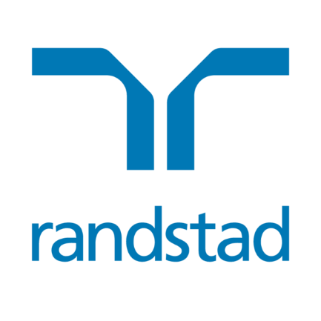
Randstad N.V. share buyback program | EUR 83,284,798.14

SUMMARY
Program announcement date | 22-Apr-24
Purchased amount in EUR | 16,550,979
Percentage of program completed | 19.87%
Exchange traded | Euronext Amsterdam

Date | Total shares repurchased | Average purchase price | Total consideration
23-Apr-24 | 28,665 | 45.4035 | € 1,301,491.33
24-Apr-24 | 27,961 | 46.5413 | € 1,301,341.29
25-Apr-24 | 28,216 | 46.0542 | € 1,299,465.31
26-Apr-24 | 27,998 | 46.4791 | € 1,301,321.84
29-Apr-24 | 27,651 | 47.0648 | € 1,301,388.78
30-Apr-24 | 27,595 | 47.1574 | € 1,301,308.45
1-May-24
2-May-24 | 27,826 | 46.7112 | € 1,299,785.85
3-May-24 | 30,752 | 47.0909 | € 1,448,139.36
6-May-24 | 28,690 | 47.0739 | € 1,350,550.19
7-May-24 | 17,091 | 47.0140 | € 803,516.27
8-May-24 | 27,454 | 47.6536 | € 1,308,281.93
9-May-24 | 25,322 | 47.8012 | € 1,210,421.99
10-May-24 | 27,187 | 48.6985 | € 1,323,966.12
Total | 352,408 |  | € 16,550,978.72

